Sheet1
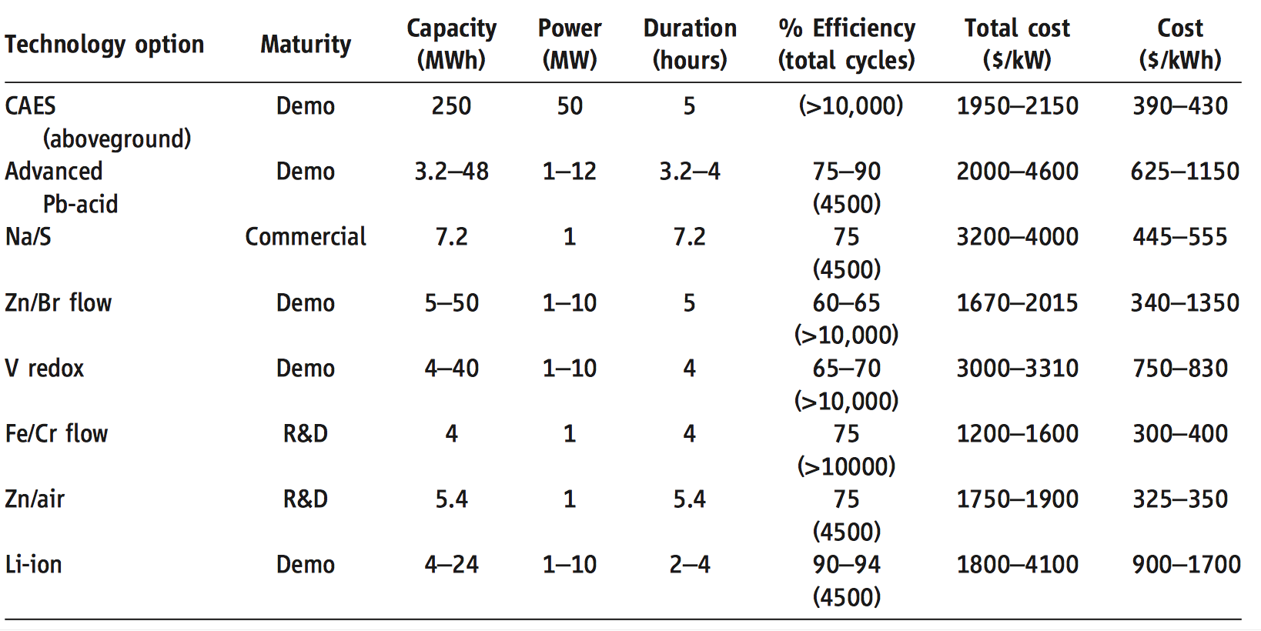
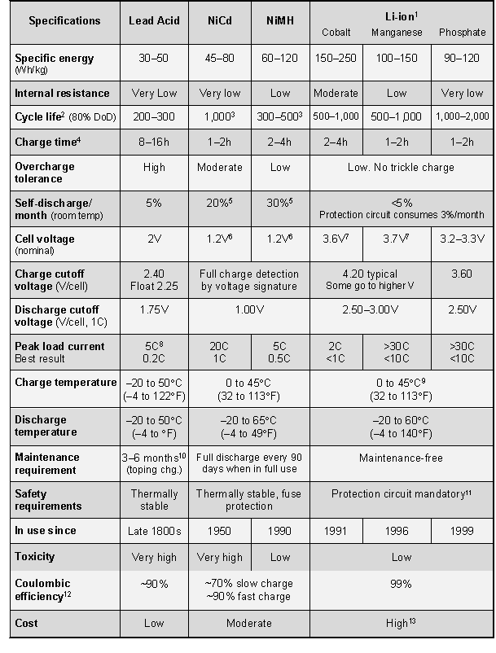
Battery Characteristcs Comparison Table

Type of Battery | Battery Type | Lead Acid | Nikel |  | Lithium Ion |  |  | Sodium | ZEBRA | Flow | Flow | Capacitor
 | Battery Compostion |  | NiCd | NiMH | Colbalt | Magnanese | Phosphate | NaS |  | VRB | ZnBr | Standard | Super Capacitor
 | Degree of Maturity | High | Medium | Medium | Medium | Medium | Medium | Medium | Low
 | Cost $/kW | 300-600 | 500-1500 | 500-1500 | 1200-4000 | 1200-4000 | 1200-4000 | 1000-3000 | 150-300 | 600-1500 | 700-2500 | 200-400 | 100-300
 | Storage Cost $/kWh | 2-50 | 800-1500 | 500-550 | 600-2500 | 600-2500 | 600-2500 | 300-500 | 100-200 | 150-1000 | 150-1000 | 500-1000 | 300-2000
Number of charges before 80% battery depletion | Cycle Life | 500-1000 | 2000-2500 | 300-500 | 500-1000 | 500-1000 | 1000-2000 | 2500 | 2500+ | 12000+ | 2000+ | 50000+ | 100000+
 | Charge Time | 8-16 | 1-2 | 2-4 | 2-4 | 1-2 | 1-2
 | Specific Energy Whkg^-1 | 30-50 | 45-80 | 60-120 | 150-250 | 100-150 | 90-120 | 150-240 | 100 -120 | 10-30 | 30-50 | 0.05-5
 | Specific Power Wkg^-1 | 75-300 | 100-175 | 250–1000 |  |  |  | 150-230 | 150 - 200 |  |  | 100000 | 500-5000
 | Power Rating MW | 0-20 | 0-40 | 0-40 | 0-0.1 | 0-0.1 | 0-0.1 | 0.05-8 | 0-0.3 | 0.03-3 | 0.05-2 | 0-0.05 | 0-0.3
Where the effective capactiy is reduced when the cell is discharged at high rates. (Capacity Offset) | Discharge Rate p Day % | 0.1-0.3 | 0.2-0.6 | 1 | 0.1 | 0.1 | 0.1 | 20 | 15 | 0.01 | 0.01 | 0.4 | 20-40%
 | Discharge Time | Seconds - Hours | Seconds - Hours | Seconds - Hours | Seconds - Hours | Seconds - Hours | Seconds - Hours | Seconds - Hours | Seconds - Hours | Seconds - 10hr | Seconds - 10hr | Milliseconds-1hr | Milliseconds-1hr
 | Source | \cite{Chen2009291} | \cite{Chen2009291} | \cite{batuni} | \cite{batuni} | \cite{batuni} | \cite{batuni} | \cite{Chen2009291} | \cite{Chen2009291} | \cite{Chen2009291} | \cite{Chen2009291} | \cite{Chen2009291} | \cite{Chen2009291}
 |  | \cite{batuni} | \cite{batuni} | \cite{forbesNIMH}
 |  |  | \cite{7324861} | \cite{wikiNiMH}
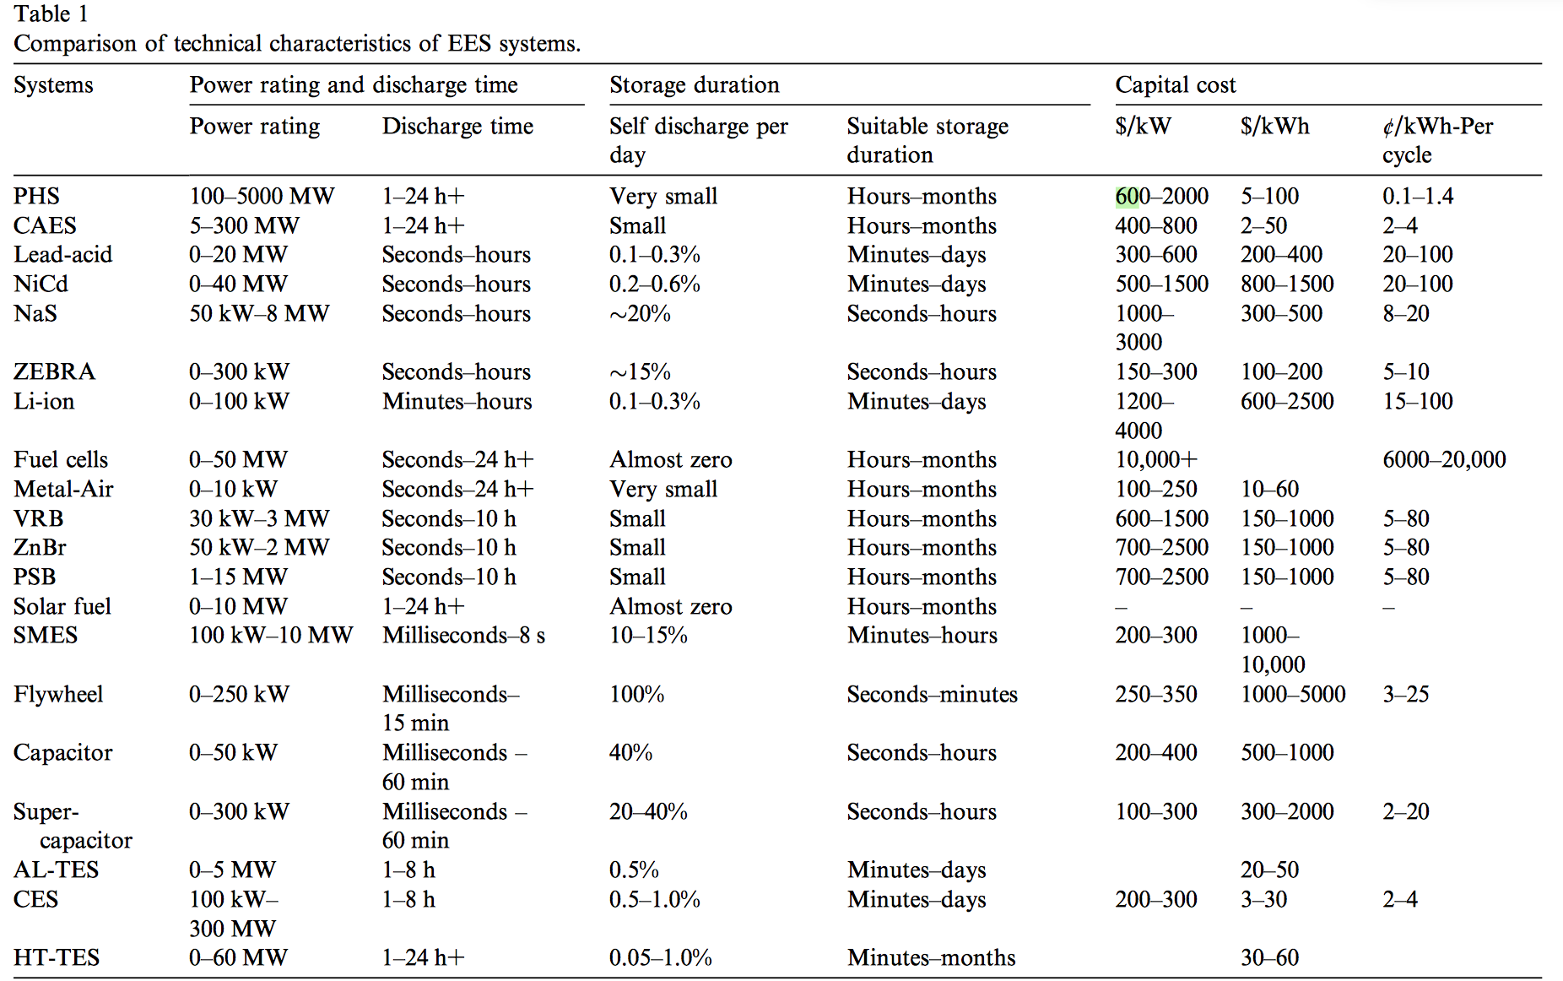
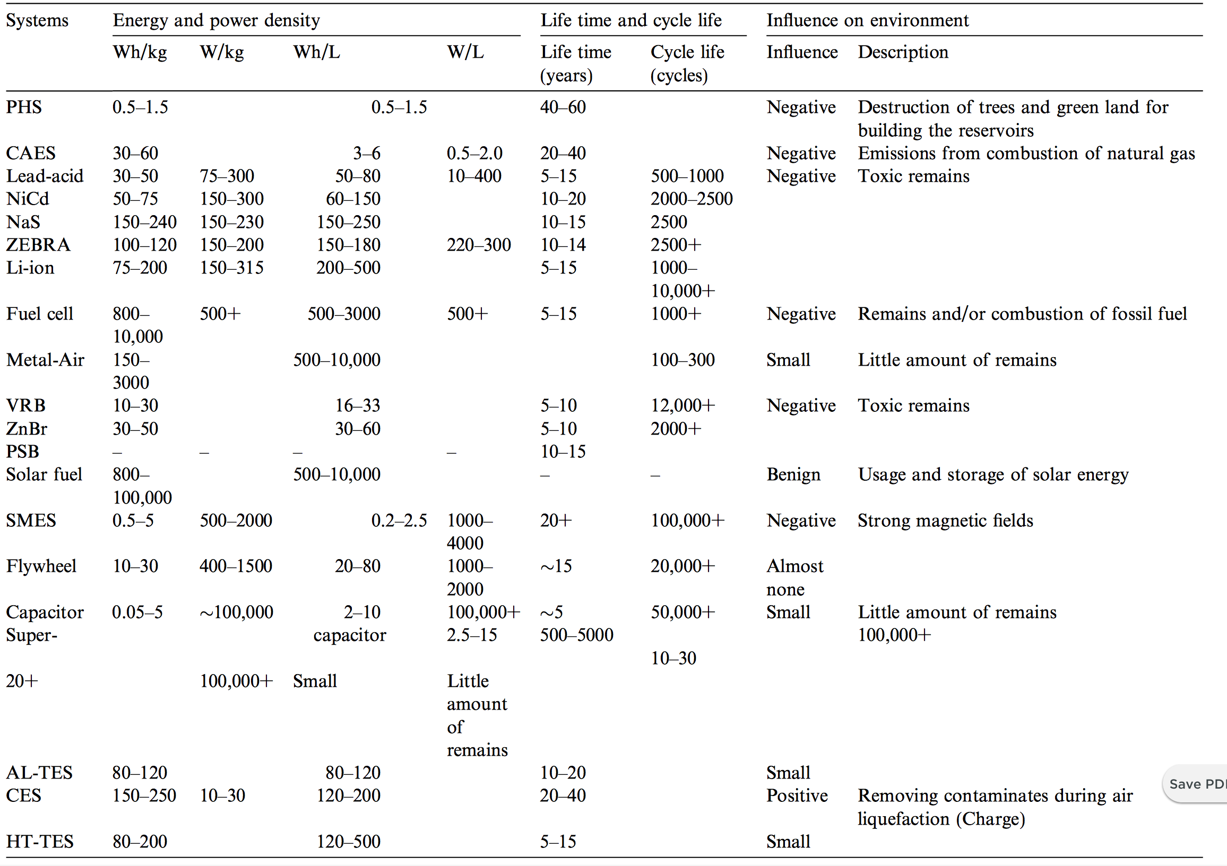

 |  |  |  |  |  |  |  |  |  |  |  |  |  | \cite{batuni}

 |  |  |  |  |  |  | \cite{Chen2009291}

 | \cite{Chen2009291}

